Лист1
 | 1 | 2 | 3 | 4 | 5 |  |  |  |  |  | 1 | 2 | 3 | 4 | 5 |  |  |  | 1 | 2 | 3 | 4 | 5 |  |  |  | 1 | 2 | 3 | 4 | 5 |  |  |  | 1 | 2 | 3 | 4 | 5 |  |  |  | 1 | 2 | 3 | 4 | 5 |  |  |  | 1 | 2 | 3 | 4 | 5 |  |  | 1 | 2 | 3 | 4 | 5
1 | INF | 0(10) | 18 | INF | 0(0) | 3 |  |  |  | 1 | INF | INF | 18 | INF | 0 | 0 |  | 1 | INF | 0 | 18 | INF | INF | 0 |  | 1 | INF | 0(10) | 18 | INF | 0(0) | 0 |  | 1 | INF | 0(10) | 18 | INF | 0(0) | 0 |  | 1 | INF | 0(10) | 18 | INF | 0(0) | 0 |  | 1 | INF | 0(10) | 18 | INF | 0(0) | 0 | 1 | INF | 0(10) | 18 | INF | 0(0) | 0
2 | 0(12) | INF | 12 | 62 | 78 | 3 |  |  |  | 2 | 0 | INF | 12 | 62 | 78 | 0 |  | 2 | 0 | INF | 12 | 62 | 78 | 0 |  | 2 | INF | INF | 12 | 62 | 78 | 12 |  | 2 | 0 | INF | 12 | 62 | 78 | 0 |  | 2 | 0 | INF | 12 | 62 | 78 | 0 |  | 2 | 0 | INF | 12 | 62 | 78 | 0 | 2 | 0 | INF | 12 | 62 | 78 | 0
3 | 0(47) | 10 | INF | 81 | 47 | 5 |  |  |  | 3 | 0 | 10 | INF | 81 | 47 | 0 |  | 3 | 0 | 10 | INF | 81 | 47 | 0 |  | 3 | 0 | 10 | INF | 81 | 47 | 0 |  | 3 | INF | 10 | INF | 81 | 47 | 47 |  | 3 | 0 | 10 | INF | 81 | 47 | 0 |  | 3 | 0 | 10 | INF | 81 | 47 | 0 | 3 | 0 | 10 | INF | 81 | 47 | 0
4 | 11 | 43 | 0(12) | INF | 0(0) | 9 |  |  |  | 4 | 11 | 43 | 0 | INF | 0 | 0 |  | 4 | 11 | 43 | 0 | INF | 0 | 0 |  | 4 | 11 | 43 | 0 | INF | 0 | 0 |  | 4 | 11 | 43 | 0 | INF | 0 | 0 |  | 4 | 11 | 43 | INF | INF | 0 | 0 |  | 4 | 11 | 43 | 0 | INF | INF | 0 | 4 | 11 | 43 | 0 | INF | 0 | 0
5 | 74 | 50 | 36 | 0(98) | INF | 16 |  |  |  | 5 | 74 | 50 | 36 | 0 | INF | 0 |  | 5 | 74 | 50 | 36 | 0 | INF | 0 |  | 5 | 74 | 50 | 36 | 0 | INF | 0 |  | 5 | 74 | 50 | 36 | 0 | INF | 0 |  | 5 | 74 | 50 | 36 | 0 | INF | 0 |  | 5 | 74 | 50 | 36 | 0 | INF | 0 | 5 | 74 | 50 | 36 | INF | INF | 36
 | 0 | 3 | 3 | 0 | 0 | 42 |  |  |  |  | 0 | 10 | 0 | 0 | 0 | 10 |  |  | 0 | 0 | 0 | 0 | 0 | 0 |  |  | 0 | 0 | 0 | 0 | 0 | 12 |  |  | 0 | 0 | 0 | 0 | 0 | 47 |  |  | 0 | 0 | 12 | 0 | 0 | 12 |  |  | 0 | 0 | 0 | 0 | 0 | 0 |  | 0 | 0 | 0 | 62 | 0 | 98 | 5--4

 | 1 | 2 | 3 | 4 | 5 |  |  |  | 1 | 2 | 3 | 5 |  |  |  |  |  |  | 1 | 2 | 3 | 5 |  |  |  |  | 1 | 2 | 3 | 5 |  |  |  |  | 1 | 2 | 3 | 5 |  |  |  | 1 | 2 | 3 | 5 |  |  |  | 1 | 2 | 3 | 5
1 | INF | 0(10) | 18 | INF | 0(0) | 0 |  | 1 | INF | 0 | 18 | 0 | 0 |  |  |  |  | 1 | INF | INF | 18 | 0 | 0 |  |  | 1 | INF | 0 | 18 | INF | 0 |  |  | 1 | INF | 0 | 18 | 0 | 0 |  | 1 | INF | 0 | 18 | 0 | 0 |  | 1 | INF | 0 | 18 | 0 | 0
2 | 0(12) | INF | 12 | 62 | 78 | 0 |  | 2 | 0 | INF | 12 | 78 | 0 |  |  |  |  | 2 | 0 | INF | 12 | 78 | 0 |  |  | 2 | 0 | INF | 12 | 78 | 0 |  |  | 2 | INF | INF | 12 | 78 | 12 |  | 2 | 0 | INF | 12 | 78 | 0 |  | 2 | 0 | INF | 12 | 78 | 0
3 | 0(47) | 10 | INF | 81 | 47 | 0 |  | 3 | 0 | 10 | INF | 47 | 0 |  |  |  |  | 3 | 0 | 10 | INF | 47 | 0 |  |  | 3 | 0 | 10 | INF | 47 | 0 |  |  | 3 | 0 | 10 | INF | 47 | 0 |  | 3 | INF | 10 | INF | 47 | 10 |  | 3 | 0 | 10 | INF | 47 | 0
4 | 11 | 43 | 0(12) | INF | 0(0) | 0 |  | 4 | 11 | 43 | 0 | INF | 0 |  |  |  |  | 4 | 11 | 43 | 0 | INF | 0 |  |  | 4 | 11 | 43 | 0 | INF | 0 |  |  | 4 | 11 | 43 | 0 | INF | 0 |  | 4 | 11 | 43 | 0 | INF | 0 |  | 4 | 11 | 43 | INF | INF | 11
5 | 74 | 50 | 36 | INF | INF | 36 |  |  | 0 | 0 | 0 | 0 | 0 | +42=42' |  |  |  |  | 0 | 10 | 0 | 0 | 10 |  |  |  | 0 | 0 | 0 | 47 | 47 | 1--5 |  |  | 0 | 0 | 0 | 0 | 12 |  |  | 0 | 0 | 0 | 0 | 10 |  |  | 0 | 0 | 12 | 0 | 23
 | 0 | 0 | 0 | 62 | 0 | 98 | +42=140'

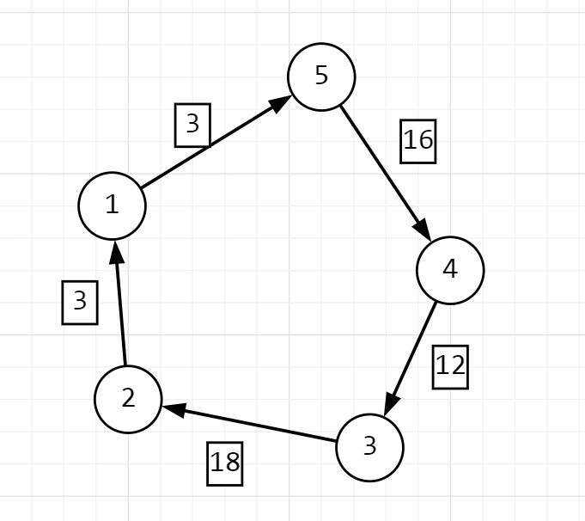
 |  |  |  |  |  |  |  |  | 1 | 2 | 3 | 5
 |  |  |  |  |  |  |  | 1 | INF | 0 | 18 | INF | 0 |  |  |  | 1 | 2 | 3 |  |  |  |  | 1 | 2 | 3 |  |  |  |  | 1 | 2 | 3 |  |  |  |  | 1 | 2 | 3
 |  |  |  |  |  |  |  | 2 | 0 | INF | 12 | 78 | 0 |  |  | 2 | 0 | INF | 12 | 0 |  |  | 2 | INF | INF | 12 | 12 |  |  | 2 | 0 | INF | 12 | 0 |  |  | 2 | 0 | INF | 12 | 0
 |  |  |  |  |  |  |  | 3 | 0 | 10 | INF | 47 | 0 |  |  | 3 | 0 | 10 | INF | 0 |  |  | 3 | 0 | 10 | INF | 0 |  |  | 3 | INF | 10 | INF | 10 |  |  | 3 | 0 | 10 | INF | 0
 |  |  |  |  |  |  |  | 4 | 11 | 43 | 0 | INF | 0 |  |  | 4 | 11 | 43 | 0 | 0 |  |  | 4 | 11 | 43 | 0 | 0 |  |  | 4 | 11 | 43 | 0 | 0 |  |  | 4 | 11 | 43 | INF | 11
 |  |  |  |  |  |  |  |  | 0 | 0 | 0 | 47 | 47 | +42=89' |  |  | 0 | 10 | 0 | 10 | +42=52' |  |  | 0 | 10 | 0 | 22 |  |  |  | 0 | 10 | 0 | 20 |  |  |  | 0 | 10 | 12 | 33 | 4--3

 |  |  |  |  |  |  |  |  |  |  |  |  |  |  |  |  | 1 | 2 | 3 |  |  |  |  | 1 | 2 |  | 2--1
 |  |  |  |  |  |  |  |  |  |  |  |  |  |  |  | 2 | 0 | INF | 12 | 0 |  |  | 2 | 0 | INF | 0 | 3--2
 |  |  |  |  |  |  |  |  |  |  |  |  |  |  |  | 3 | 0 | 10 | INF | 0 |  |  | 3 | 0 | INF | 0
 |  |  |  |  |  |  |  |  |  |  |  |  |  |  |  | 4 | 11 | 43 | INF | 11 |  |  |  | 0 | 0 | 0
 |  |  |  |  |  |  |  |  |  |  |  |  |  |  |  |  | 0 | 10 | 12 | 33 | +52=85'

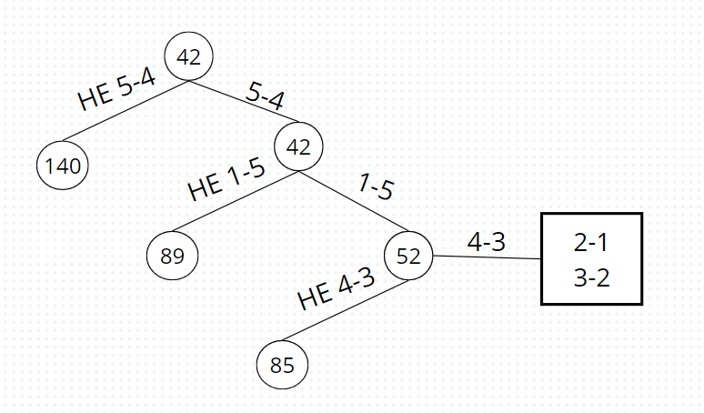

 |  |  |  |  |  |  |  |  |  |  |  |  |  |  |  |  |  |  |  |  |  |  |  | 52

